PopulationReport
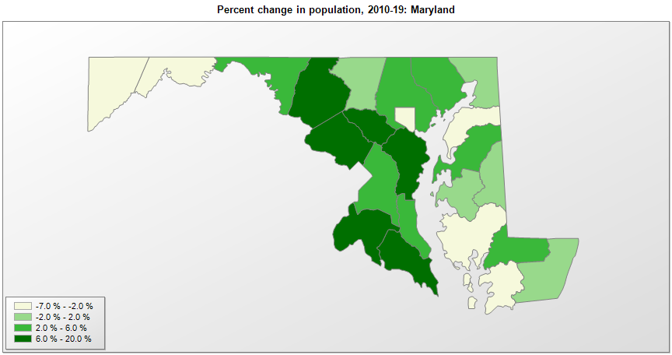

FIPS* | County name | RUC code | Pop. 1990 | Pop. 2000 | Pop. 2010 | Pop. 2019 | Change 2010-19
24000 | Maryland |  | 4,780,753 | 5,296,647 | 5,773,794 | 6,045,680 | 4.7%
24001 | Allegany County | 3 | 74,946 | 74,909 | 75,047 | 70,416 | -6.2%
24003 | Anne Arundel County | 1 | 427,239 | 489,677 | 537,631 | 579,234 | 7.7%
24005 | Baltimore County | 1 | 692,134 | 753,947 | 805,324 | 827,370 | 2.7%
24009 | Calvert County | 1 | 51,372 | 74,556 | 88,739 | 92,525 | 4.3%
24011 | Caroline County | 6 | 27,035 | 29,735 | 33,078 | 33,406 | 1.0%
24013 | Carroll County | 1 | 123,372 | 150,881 | 167,141 | 168,447 | 0.8%
24015 | Cecil County | 1 | 71,347 | 85,964 | 101,102 | 102,855 | 1.7%
24017 | Charles County | 1 | 101,154 | 120,524 | 146,564 | 163,257 | 11.4%
24019 | Dorchester County | 6 | 30,236 | 30,671 | 32,623 | 31,929 | -2.1%
24021 | Frederick County | 1 | 150,208 | 195,277 | 233,403 | 259,547 | 11.2%
24023 | Garrett County | 6 | 28,138 | 29,852 | 30,139 | 29,014 | -3.7%
24025 | Harford County | 1 | 182,132 | 218,914 | 244,824 | 255,441 | 4.3%
24027 | Howard County | 1 | 187,328 | 247,876 | 287,123 | 325,690 | 13.4%
24029 | Kent County | 6 | 17,842 | 19,201 | 20,195 | 19,422 | -3.8%
24031 | Montgomery County | 1 | 762,875 | 873,874 | 971,284 | 1,050,688 | 8.2%
24033 | Prince George's County | 1 | 722,705 | 801,091 | 864,029 | 909,327 | 5.2%
24035 | Queen Anne's County | 1 | 33,953 | 40,580 | 47,785 | 50,381 | 5.4%
24037 | St. Mary's County | 3 | 75,974 | 86,196 | 105,144 | 113,510 | 8.0%
24039 | Somerset County | 2 | 23,440 | 24,746 | 26,470 | 25,616 | -3.2%
24041 | Talbot County | 6 | 30,549 | 33,806 | 37,781 | 37,181 | -1.6%
24043 | Washington County | 2 | 121,393 | 131,911 | 147,417 | 151,049 | 2.5%
24045 | Wicomico County | 2 | 74,339 | 84,638 | 98,733 | 103,609 | 4.9%
24047 | Worcester County | 2 | 35,028 | 46,559 | 51,448 | 52,276 | 1.6%
24510 | Baltimore city | 1 | 736,014 | 651,262 | 620,770 | 593,490 | -4.4%

Source: U.S. Census Bureau, 1990, 2000, and 2010 Censuses of Population (corrected), and 2019 County Total Population Estimates. 1) The FIPS codes uniquely identify each county and are part of the Federal Information Processing Standards (FIPS) developed by the National Institute of Standards and Technology (NIST), U.S. Department of Commerce. For more information, see the NIST FIPS publication page. 2) The 2013 rural-urban continuum codes classify metropolitan counties (codes 1 through 3) by size of the Metropolitan Statistical Area (MSA), and nonmetropolitan counties (codes 4 through 9) by degree of urbanization and proximity to metro areas. See rural-urban continuum codes for precise definitions of each code.

